T section inertia table
μ Table
 |  | α = ts/t
 |  | 0.05 | 0.10 | 0.15 | 0.20 | 0.25 | 0.30 | 0.35 | 0.40 | 0.45 | 0.50 | 0.55 | 0.60 | 0.65 | 0.70 | 0.75 | 0.80 | 0.85 | 0.90 | 0.95 | 1.00
β = b/B | 0.05 | 97 | 109 | 111 | 111 | 112 | 115 | 122 | 132 | 148 | 169 | 196 | 231 | 273 | 324 | 383 | 452 | 530 | 620 | 721 | 833
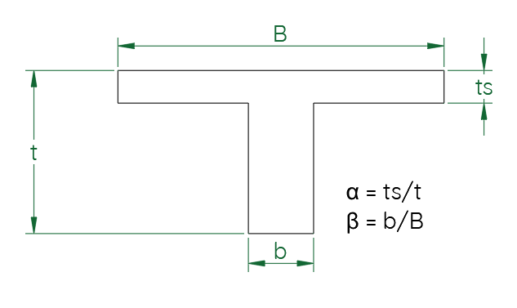
 | 0.10 | 153 | 180 | 190 | 192 | 192 | 193 | 196 | 202 | 212 | 228 | 250 | 279 | 315 | 360 | 413 | 476 | 549 | 632 | 727 | 833
 | 0.15 | 200 | 236 | 252 | 258 | 260 | 260 | 261 | 264 | 271 | 283 | 300 | 324 | 356 | 395 | 443 | 500 | 567 | 645 | 733 | 833
 | 0.20 | 242 | 283 | 304 | 314 | 318 | 318 | 318 | 320 | 325 | 333 | 347 | 367 | 394 | 428 | 471 | 523 | 585 | 657 | 739 | 833
 | 0.25 | 282 | 326 | 351 | 363 | 369 | 370 | 370 | 371 | 374 | 380 | 391 | 408 | 431 | 461 | 499 | 546 | 602 | 669 | 745 | 833
 | 0.30 | 321 | 366 | 392 | 407 | 415 | 417 | 417 | 418 | 419 | 424 | 432 | 446 | 466 | 492 | 526 | 568 | 619 | 680 | 751 | 833
 | 0.35 | 359 | 403 | 431 | 448 | 456 | 460 | 461 | 461 | 462 | 465 | 471 | 482 | 499 | 522 | 552 | 590 | 636 | 692 | 757 | 833
 | 0.40 | 396 | 439 | 468 | 485 | 495 | 499 | 500 | 500 | 501 | 503 | 508 | 517 | 531 | 551 | 577 | 611 | 653 | 704 | 763 | 833
 | 0.45 | 434 | 475 | 502 | 520 | 530 | 535 | 537 | 537 | 538 | 539 | 543 | 550 | 562 | 579 | 602 | 632 | 669 | 715 | 769 | 833
 | 0.50 | 470 | 509 | 536 | 553 | 564 | 569 | 571 | 572 | 572 | 573 | 576 | 582 | 591 | 606 | 626 | 652 | 685 | 726 | 775 | 833
 | 0.55 | 507 | 543 | 568 | 585 | 596 | 601 | 604 | 604 | 604 | 605 | 607 | 612 | 620 | 632 | 649 | 672 | 701 | 738 | 781 | 833
 | 0.60 | 544 | 576 | 600 | 616 | 626 | 632 | 634 | 635 | 635 | 635 | 637 | 641 | 647 | 657 | 672 | 692 | 717 | 749 | 787 | 833
 | 0.65 | 580 | 609 | 630 | 645 | 655 | 660 | 663 | 664 | 664 | 664 | 665 | 668 | 673 | 682 | 694 | 711 | 732 | 760 | 793 | 833 | I = μ * B * t³ * 10⁻⁴
 | 0.70 | 616 | 642 | 661 | 674 | 683 | 688 | 690 | 692 | 692 | 692 | 693 | 695 | 699 | 705 | 715 | 729 | 747 | 770 | 799 | 833
 | 0.75 | 653 | 674 | 690 | 702 | 709 | 714 | 717 | 718 | 718 | 718 | 718 | 720 | 723 | 728 | 736 | 747 | 762 | 781 | 805 | 833 | Enter | ts | 0.05
 | 0.80 | 689 | 706 | 719 | 729 | 735 | 740 | 742 | 743 | 743 | 743 | 743 | 744 | 747 | 751 | 757 | 765 | 777 | 792 | 811 | 833 | Enter | t | 0.25 | μ = | 314.22
 | 0.85 | 725 | 738 | 748 | 756 | 761 | 764 | 766 | 767 | 767 | 767 | 767 | 768 | 769 | 772 | 777 | 783 | 791 | 802 | 816 | 833 | Enter | b | 0.1 | I = | 2.455E-04
 | 0.90 | 761 | 770 | 777 | 782 | 786 | 788 | 789 | 790 | 790 | 790 | 790 | 790 | 791 | 793 | 796 | 800 | 806 | 813 | 822 | 833 | Enter | B | 0.5
 | 0.95 | 797 | 802 | 805 | 808 | 810 | 811 | 812 | 812 | 812 | 812 | 812 | 812 | 813 | 814 | 815 | 817 | 820 | 823 | 828 | 833 |  | α | 0.2
 | 1.00 | 833 | 833 | 833 | 833 | 833 | 833 | 833 | 833 | 833 | 833 | 833 | 833 | 833 | 833 | 833 | 833 | 833 | 833 | 833 | 833 |  | β | 0.2

